Floors Western
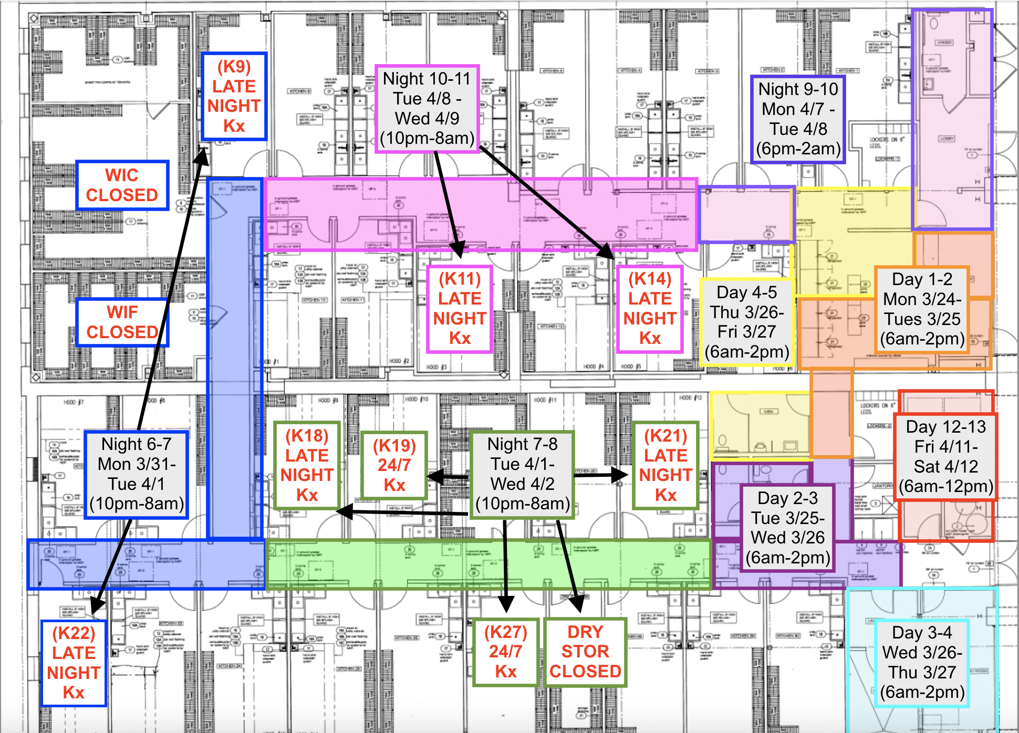
 | Date | Hours | Scope of work | Closed areas
Day 1 | 2025-03-24 | 6am-2pm
Day 2 | 2025-03-25
Day 3 | 2025-03-26
Day 4 | 2025-03-27
Day 5 | 2025-03-28
Day 6 | 2025-03-31
Day 7 | 2025-04-01
Day 8 | 2025-04-02
Day 9 | 2025-04-03
Day 10 | 2025-04-04
Day 11 | 2025-04-07
Day 12 | 2025-04-08
Day 13 | 2025-04-09

